Tes Logout
Test Case | Test Step |  | Status | Expected Result | Actual Result | Evidence
User Can Login then Logout | 1 | Visit localhost:8000 | pass | Landing page should open | Landing page should open | 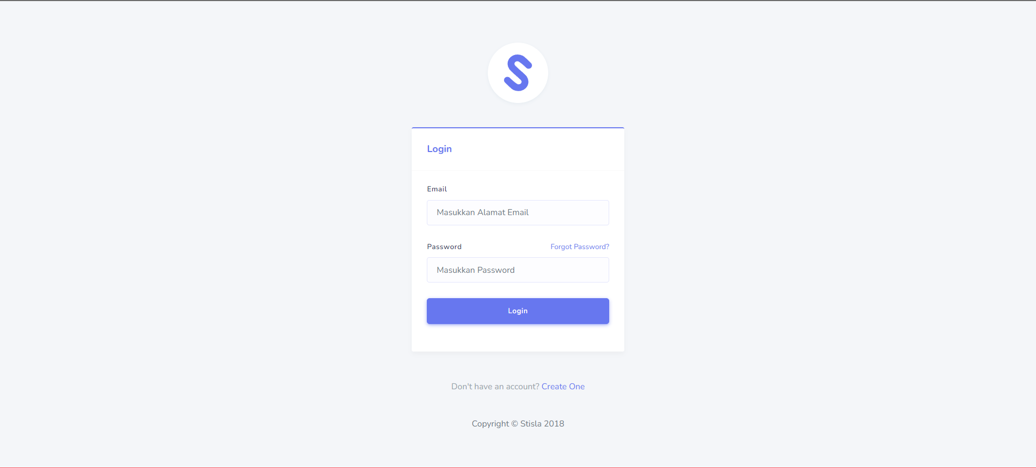
 | 2 | Enter valid username & password | pass | Credential can be entered | Credential can be entered
 | 3 | Click the "Submit" button | pass | User can login with text "Hi, SuperAdmin" | User can login with text "Hi, SuperAdmin"
 | 4 | Click "Logout" button | pass | User Logout & back to landing page | User Logout & back to landing page

Tes Create
Test Case | Test Step |  | Status | Expected Result | Actual Result | Evidence
User Can Create New User | 1 | Visit localhost:8000 | pass | Landing page should open | Landing page should open | 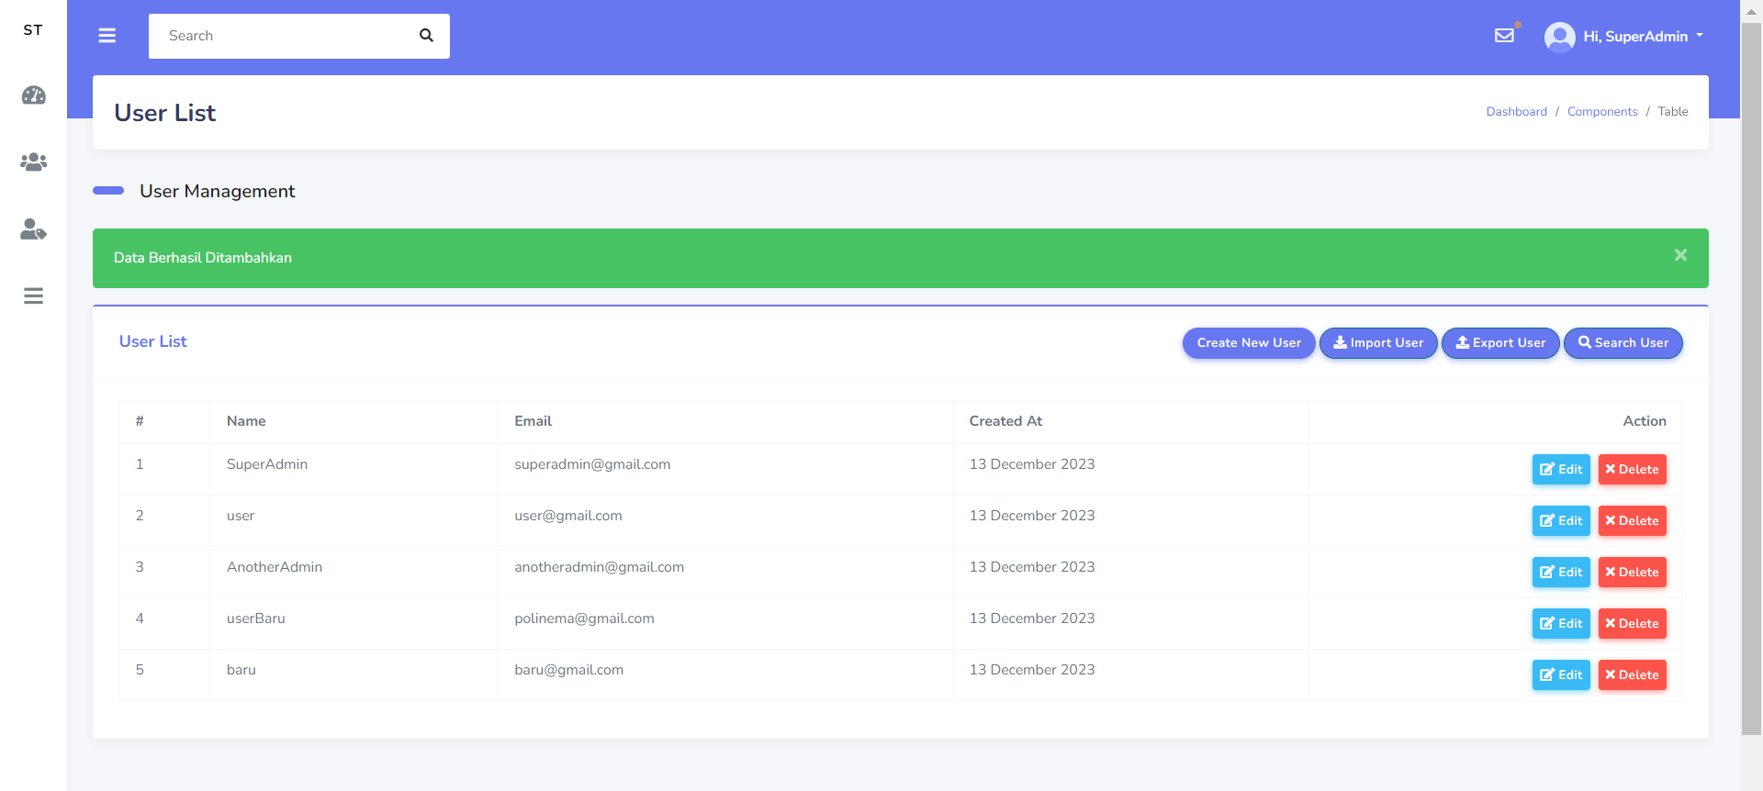
 | 2 | Enter valid username & password | pass | Credential can be entered | Credential can be entered
 | 3 | Click the "Submit" button | pass | User can login with text "Hi, SuperAdmin" | User can login with text "Hi, SuperAdmin"
 | 4 | Visit localhost:8000/user-management/user | pass | Management user page should open | Management user page should open
 | 5 | Click add icon | pass | form new user should open | form new user should open
 | 6 | Type in name form "baru" | pass | Value form changes | Value form changes
 | 7 | Type in email form "baru@gmail.com" | pass | Value form changes | Value form changes
 | 8 | Type in password form "1234567890" | pass | Value form changes | Value form changes
 | 9 | Click submit | pass | User can create new user with text "Data Berhasil Ditambahkan" | User can create new user with text "Data Berhasil Ditambahkan"
user cant create new user because invalid email | 1 | Visit localhost:8000 | pass | Landing page should open | Landing page should open | 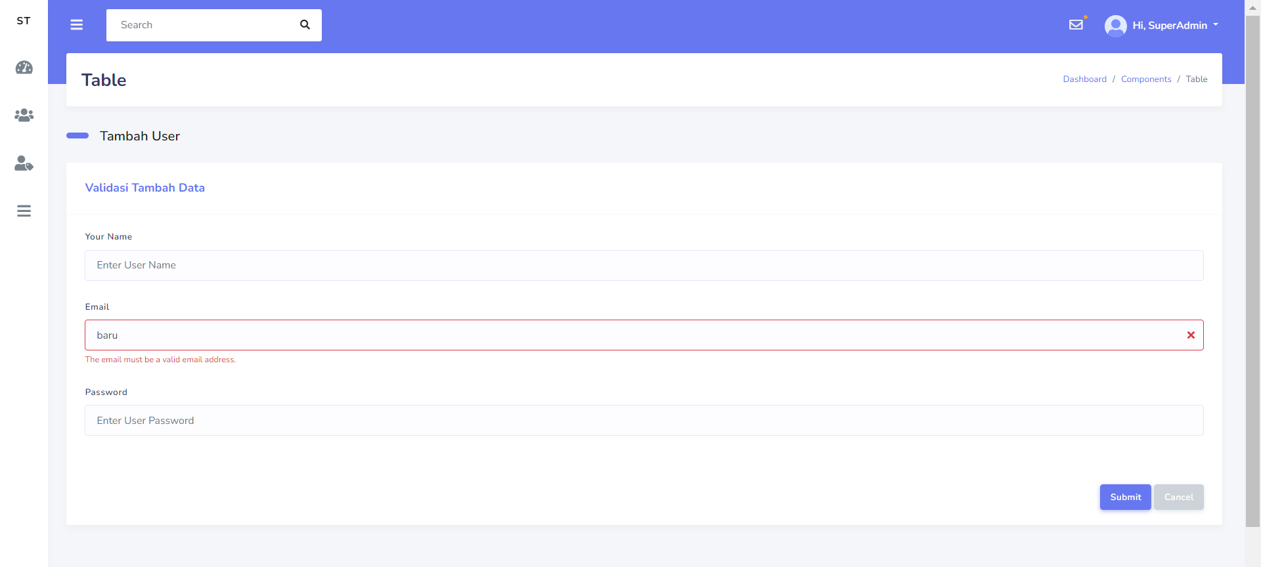
 | 2 | Enter valid username & password | pass | Credential can be entered | Credential can be entered
 | 3 | Click the "Submit" button | pass | User can login with text "Hi, SuperAdmin" | User can login with text "Hi, SuperAdmin"
 | 4 | Visit localhost:8000/user-management/user | pass | Management user page should open | Management user page should open
 | 5 | Click add icon | pass | form new user should open | form new user should open
 | 6 | Type in name form "baru" | pass | Value form changes | Value form changes
 | 7 | Type in email form "baru" | pass | Value form changes | Value form changes
 | 8 | Type in password form "1234567890" | pass | Value form changes | Value form changes
 | 9 | Click submit | pass | User can't create new user with text "The email must be a valid email address." | User can't create new user with text "The email must be a valid email address."
user cant create new user because name empty | 1 | Visit localhost:8000 | pass | Landing page should open | Landing page should open | 
 | 2 | Enter valid username & password | pass | Credential can be entered | Credential can be entered
 | 3 | Click the "Submit" button | pass | User can login with text "Hi, SuperAdmin" | User can login with text "Hi, SuperAdmin"
 | 4 | Visit localhost:8000/user-management/user | pass | Management user page should open | Management user page should open
 | 5 | Click add icon | pass | form new user should open | form new user should open
 | 6 | Type in email form "baru@gmail.com" | pass | Value form changes | Value form changes
 | 7 | Type in password form "1234567890" | pass | Value form changes | Value form changes
 | 8 | Click submit | pass | User can't create new user with text "The name field is required." | User can't create new user with text "The name field is required."

Tes Edit
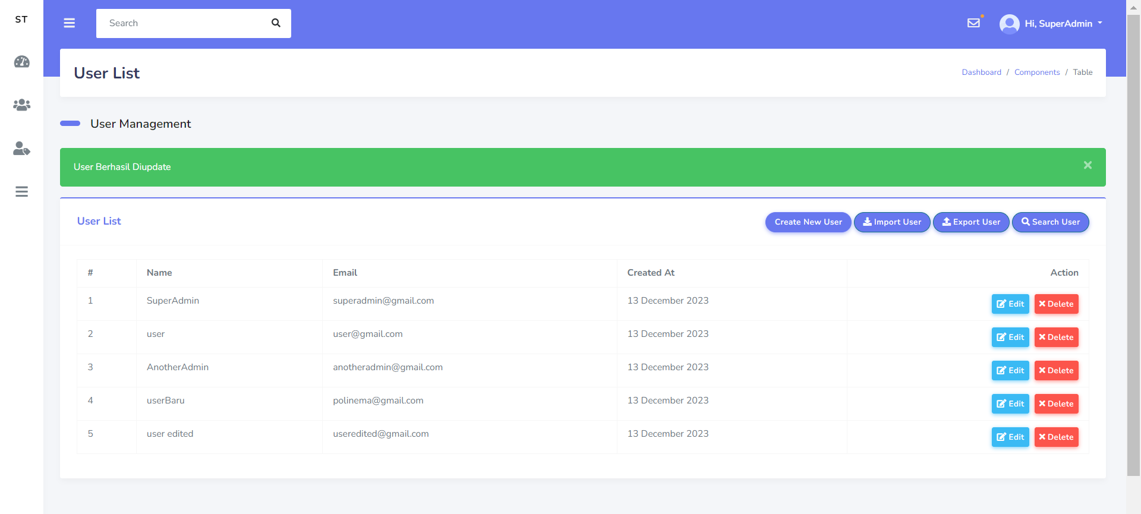
Test Case | Test Step |  | Status | Expected Result | Actual Result | Evidence
user can edit name | 1 | Visit localhost:8000 | pass | Landing page should open | Landing page should open
 | 2 | Enter valid username & password | pass | Credential can be entered | Credential can be entered
 | 3 | Click the "Submit" button | pass | User can login with text "Hi, SuperAdmin" | User can login with text "Hi, SuperAdmin"
 | 4 | Visit localhost:8000/user-management/user | pass | Management user page should open | Management user page should open
 | 5 | Click edit icon | pass | form edit should open | form edit should open
 | 6 | Delete name & type "user edited" | pass | Value form changes | Value form changes
 | 7 | Click submit | pass | User can edit name with text "User Berhasil Diupdate" | User can edit name with text "User Berhasil Diupdate"
user can edit email | 1 | Visit localhost:8000 | pass | Landing page should open | Landing page should open
 | 2 | Enter valid username & password | pass | Credential can be entered | Credential can be entered
 | 3 | Click the "Submit" button | pass | User can login with text "Hi, SuperAdmin" | User can login with text "Hi, SuperAdmin"
 | 4 | Visit localhost:8000/user-management/user | pass | Management user page should open | Management user page should open
 | 5 | Click edit icon | pass | form edit should open | form edit should open
 | 6 | Delete email & type "useredited@gmail.com" | pass | Value form changes | Value form changes
 | 7 | Click submit | pass | User can edit email with text "User Berhasil Diupdate" | User can edit email with text "User Berhasil Diupdate"
user can edit username and email | 1 | Visit localhost:8000 | pass | Landing page should open | Landing page should open
 | 2 | Enter valid username & password | pass | Credential can be entered | Credential can be entered
 | 3 | Click the "Submit" button | pass | User can login with text "Hi, SuperAdmin" | User can login with text "Hi, SuperAdmin"
 | 4 | Visit localhost:8000/user-management/user | pass | Management user page should open | Management user page should open
 | 5 | Click edit icon | pass | form edit should open | form edit should open
 | 6 | Delete name & type "user edited" | pass | Value form changes | Value form changes
 | 7 | Delete email & type "useredited@gmail.com" | pass | Value form changes | Value form changes
 | 8 | Click submit | pass | User can edit name & email with text "User Berhasil Diupdate" | User can edit name & email with text "User Berhasil Diupdate"
user can cancel edit data | 1 | Visit localhost:8000 | pass | Landing page should open | Landing page should open | 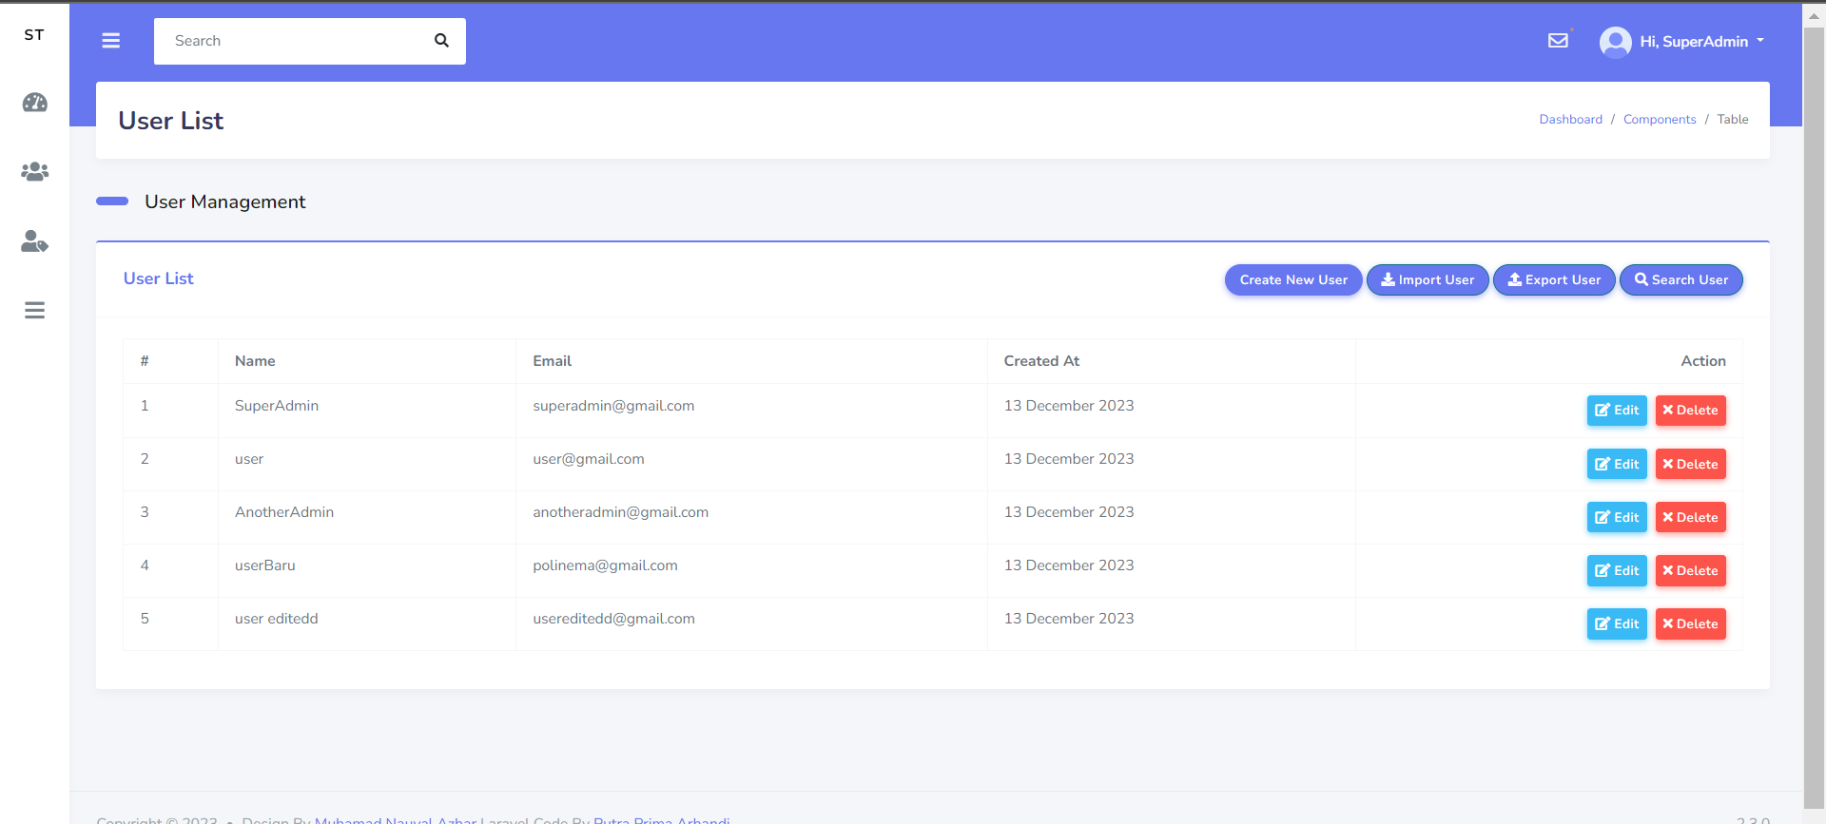
 | 2 | Enter valid username & password | pass | Credential can be entered | Credential can be entered
 | 3 | Click the "Submit" button | pass | User can login with text "Hi, SuperAdmin" | User can login with text "Hi, SuperAdmin"
 | 4 | Visit localhost:8000/user-management/user | pass | Management user page should open | Management user page should open
 | 5 | Click add icon | pass | form new user should open | form new user should open
 | 6 | Delete name & type "user edited" | pass | Value form changes | Value form changes
 | 7 | Click cancel | pass | User can cancel edit data. | User can cancel edit data.

